01. 표지
대적전자 B4 설비 통신 공통 온라인 시나리오

대덕 전자 통합 MES 시스템 구축
Version: 1.01
2021-02-24

09. 설비 상태 프로세스 정의
상태 변경 시 마다 EIS 시스템에 변경 보고를 하여야 한다.

Equipment State Change Report
CEID = 114
EQ_STATE = 4
DOWN
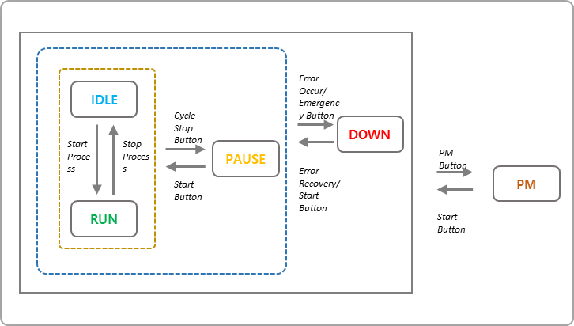

EQ_STATE = 3
PAUSE

EQ_STATE = 1
IDLE

EQ_STATE = 2
RUN

EQ_STATE = 5
PM

